Sheet1
Test Title : Triangle Problem |  |  |  |  |  | Design Date : 26/09/2024
System : Window 10 |  |  |  |  |  | Executed Date : 25/09/2024
Designed By : Sujata
Executed By : Sujata
Short Description : Calculate Statement Coverage,Branch Coverage,Path Coverage,Code Complexity

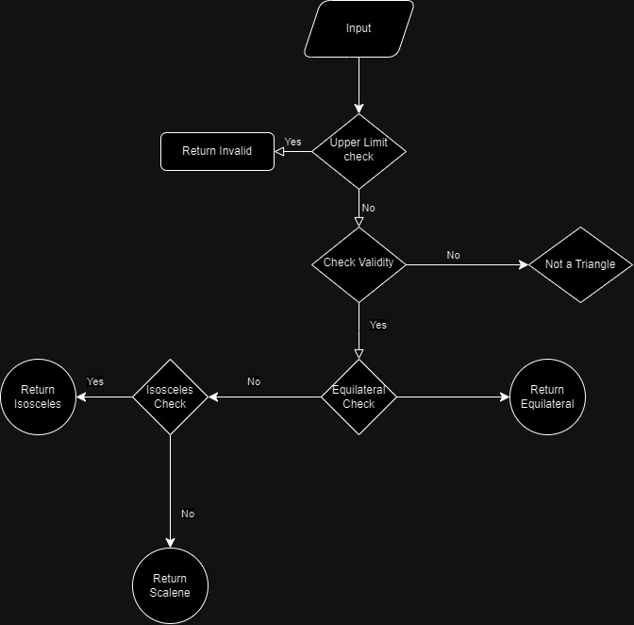
 | Test case : Ts_1 Equilateral Triangle
Test Type | Input |  | Statement/Condition/Edge Exercise/Path | Total/Statement | Formula |  | Result

Statement Coverage | Side1=7,Side2=7,Side=7 |  | 3 | 6 | Statement/totalStatement*100 |  | 50
Condition Coverage | Side1=7,Side2=7,Side=7 |  | 8 | 11 | No of conditons exercised/total conditions*100 |  | 72.73
Path Coverage | Side1=7,Side2=7,Side=7 |  | 3 | 8 | No of Paths /Total Paths*100 |  | 37.5
Code Complexity | Side1=7,Side2=7,Side=7 |  | 7 | 7 | Edges-Nodes+2 or Number of decision points+1 |  | 9−10+2=1

 | Test case : Ts1Equilateral Triangle | Ts_2 Isoceles Triangle
Test Type | Input |  | Statement/Condition/Edge Exercise/Path | Total/Statement | Formula |  | Result

Statement Coverage | Side1=7,Side2=7,Side=5 |  | 4 | 6 | Statement/totalStatement*100 |  | 66.67
Branch Coverage | Side1=7,Side2=7,Side=5 |  | 7 | 11 | No of conditons exercised/total conditions*100 |  | 75
Path Coverage | Side1=7,Side2=7,Side=5 |  | 4 | 8 | No of Paths /Total Paths*100 |  | 50
Code Complexity | Side1=7,Side2=7,Side=5 |  | 7 | 7 | Edges-Nodes+2 |  | 9−10+2=1

 | Test case : Ts_3 Scalene Triangle
Test Type | Input |  | Statement/Condition/Edge Exercise/Path | Total/Statement | Formula |  | Result

Statement Coverage | Side1=7,Side2=8,Side=9 |  | 5 | 6 | Statement/totalStatement*100 |  | 83.33
Branch Coverage | Side1=7,Side2=8,Side=9 |  | 6 | 11 | No of conditons exercised/total conditions*100 |  | 54.55
Path Coverage | Side1=7,Side2=8,Side=9 |  | 4 | 8 | No of Paths /Total Paths*100 |  | 50
Code Complexity | Side1=7,Side2=8,Side=9 |  | 7 | 7 | Edges-Nodes+2 |  | 9−10+2=1

 | Test case : Ts_3 Scalene Triangle | Ts_4 Not a Triangle
Test Type | Input |  | Statement/Condition/Edge Exercise/Path | Total/Statement | Formula |  | Result

Statement Coverage | Side1=1,Side2=1,Side=7 |  | 2 | 6 | Statement/totalStatement*100 |  | 33.33
Branch Coverage | Side1=1,Side2=1,Side=7 |  | 4 | 11 | No of conditons exercised/total conditions*100 |  | 36.36
Path Coverage | Side1=1,Side2=1,Side=7 |  | 2 | 8 | No of Paths /Total Paths*100 |  | 25
Code Complexity | Side1=1,Side2=1,Side=7 |  | 7 | 7 | Edges-Nodes+2 |  | 9−10+2=1

 | Test case : Ts_3 Scalene Triangle | Ts_5 Invalid
Test Type | Input |  | Statement/Condition/Edge Exercise/Path | Total/Statement | Formula |  | Result

Statement Coverage | Side1=12,Side2=7,Side=7 |  | 1 | 6 | Statement/totalStatement*100 |  | 33.33
Branch Coverage | Side1=12,Side2=7,Side=7 |  | 1 | 11 | No of conditons exercised/total conditions*100 |  | 9.09
Path Coverage | Side1=12,Side2=7,Side=7 |  | 1 | 8 | No of Paths /Total Paths*100 |  | 12.5
Code Complexity | Side1=12,Side2=7,Side=7 |  | 7 | 7 | Edges-Nodes+2 |  | 9−10+2=1

